Sheet1
We HIGHLY recommend that a high quality certificate paper or parchment is used to print these certificates.

Note:
1. Type in the information below.
2. If needed, set the print area at A18: N53. (File-Print Area-Set Print Area)
3. Click on the print icon or (File-Print) to print the certificate and
4. Then type in the next persons name & FFA Chapter.
5. Repeat these steps until all certificates are printed.

REMEMBER THE TAB KEY WILL TAKE YOU TO THE NEXT CELL THAT WILL ACCEPT INFORMATION!
Name of Recipient |  |  | Type First & Last Name Here!
FFA Chapter Name: |  |  | Type FFA Chapter Name Here
Select Proficiency Award: |  |  | USE ARROW TO THE RIGHT TO SELECT
Placing |  |  | SELECT | SELECT FROM DROP DOWN MENU
Area Number: |  |  | SELECT | SELECT FROM DROP DOWN MENU
Area Banquet Month: |  |  | SELECT | SELECT FROM DROP DOWN MENU
Day of Area Banquet: |  |  | SELECT | SELECT FROM DROP DOWN MENU

YOU MUST USE YOUR ARROW KEYS TO SCROLL DOWN TO VIEW THE CERTIFICATE, IF YOU DESIRE!

Area Proficiency Award

This certifies that

 |  |  |  |  |  |  | Type First & Last Name Here!

a member of the

 |  |  | Type FFA Chapter Name Here FFA Chapter

 |  | in Area | SELECT |  | of the Missouri Association was awarded

 | SELECT | place in |  | USE ARROW TO THE RIGHT TO SELECT

 |  |  |  | Given this | SELECT | day of |  | SELECT |  | , 2022.

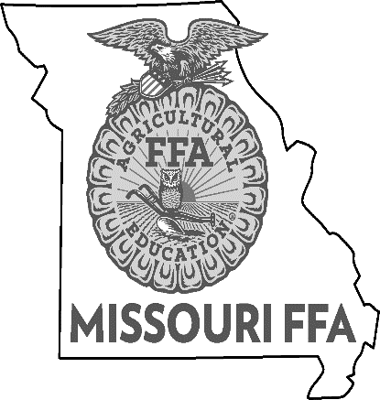

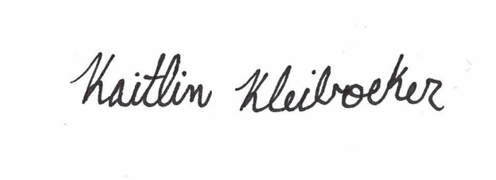
 | State FFA Advisor |  |  |  |  |  |  |  | Area FFA Advisor(s)

 | State FFA President |  |  |  |  |  |  |  | Area FFA President

